Indices

 | Iraq Stock Exchange
 | Bulletin No (21)
 | ISX Trading Indices of Tuesday 3/2/2026

 | Traded Volume and OTC |  | 473,784,692 |  | Traded Value and OTC |  | 756,520,665 |  | Traders | 871

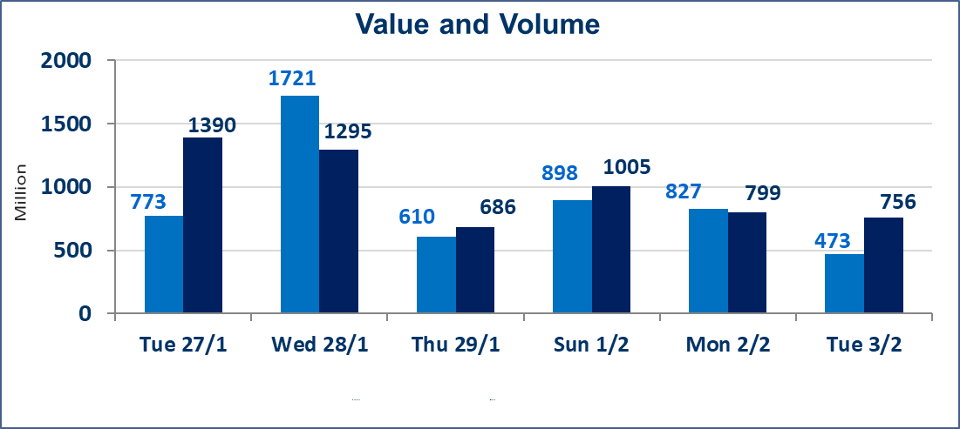
 | ISX Index 60 |  |  | 947.10 | ISX Index 15 |  |  | 1212.52
 | Previous ISX Index60 |  |  | 951.59 | Previous ISX Index15 |  |  | 1217.79
 | Change % |  |  | -0.47 | Change % |  |  | -0.43
 | Change |  |  | -4.49 | Change |  |  | -5.27

 | Listed Companies | 104 | OTC | 14 | Non Traded listed | 42 | OTC | 12
 | Traded Listed Companies | 49 | OTC | 2 | Higher Companies |  |  | 8
 | GAM Companies |  |  | 2 | Lower Companies |  |  | 20
 | Suspended Companies |  |  | 11
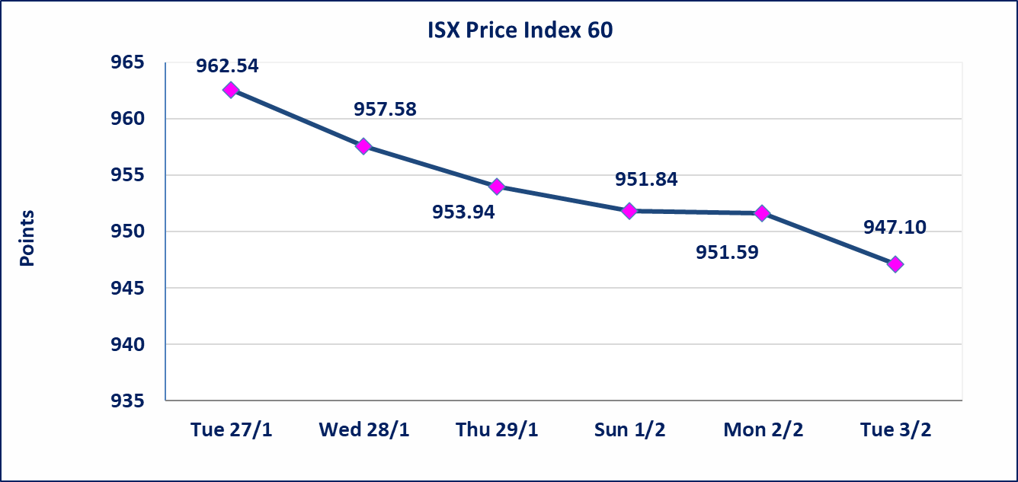
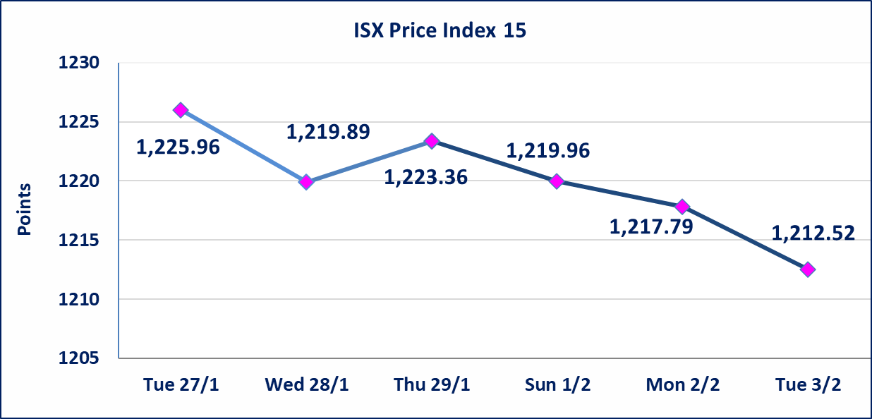

Al-Alwiya P.O . 3607 Mobile: 07711211522 - 07270094594 - 07834000034 E-mail: info-isx@isx-iq.net Web site:www.isx-iq.net

Top 5
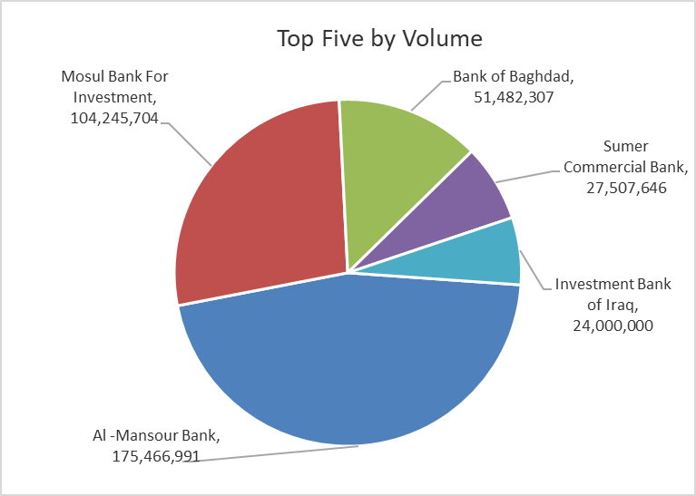
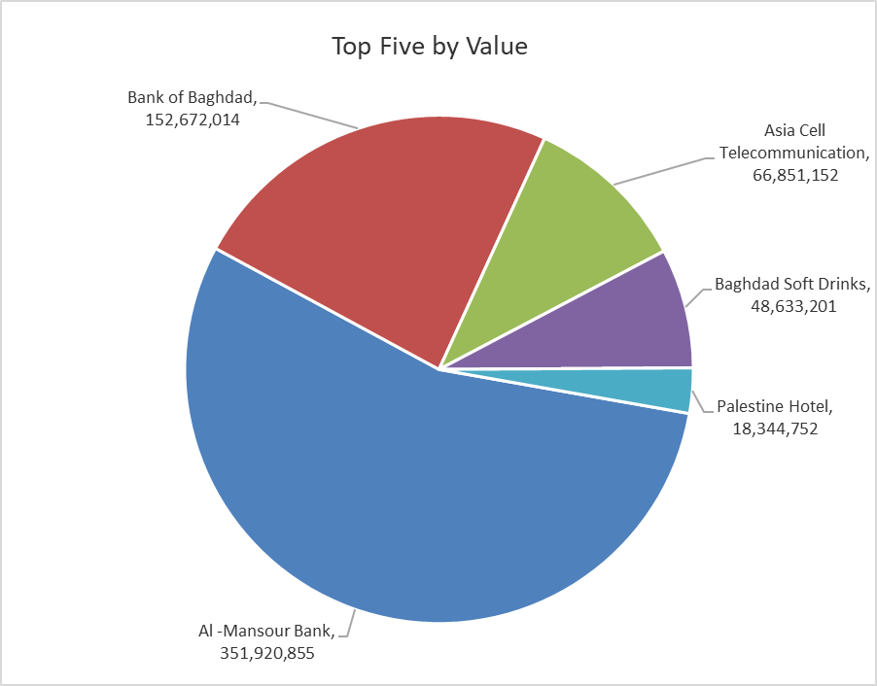

ISX top ganing and losing companies
Tuesday 3/2/2026
 | Gainers |  |  |  | Losers
 | Company Name | Closing Price | Change (%) | Traded Volume | Company Name | Closing Price | Change (%) | Traded Volume
 | Kurdistan International Bank | 1.750 | 9.37 | 264,915 | Iraq Noor Islamic Bank for Investment | 0.260 | -10.34 | 500,100
 | Modern Construction Materials | 1.780 | 2.89 | 973,526 | Al-Ameen for Insurance | 0.900 | -10.00 | 2,087,503
 | Al -Mansour Bank | 2.030 | 2.53 | 175,466,991 | Al-Ataa Islamic Bank | 0.100 | -9.09 | 1,000,099
 | Commercial Islamic Bank of Iraq | 0.660 | 1.54 | 10,626,168 | Babil Animal & Vegetable Production | 6.900 | -6.76 | 227,731
 | Iraqi For Tufted Carpets | 17.480 | 1.33 | 94,423 | AL-Nukhba for Construction | 0.700 | -6.67 | 850,000
 | The most active companies in term of traded volume and value

 | Traded Volume |  |  |  | Traded Value
 | Company Name | Closing Price | Change (%) | Traded Volume | Company Name | Closing Price | Change (%) | Traded Value
 | Al -Mansour Bank | 2.030 | 2.53 | 175,466,991 | Al -Mansour Bank | 2.030 | 2.53 | 351,920,855
 | Mosul Bank For Investment | 0.140 | -6.67 | 104,245,704 | Bank of Baghdad | 2.930 | -3.30 | 152,672,014
 | Bank of Baghdad | 2.930 | -3.30 | 51,482,307 | Asia Cell Telecommunication | 14.650 | -0.68 | 66,851,152
 | Sumer Commercial Bank | 0.120 | 0.00 | 27,507,646 | Baghdad Soft Drinks | 5.830 | -0.17 | 48,633,201
 | Investment Bank of Iraq | 0.230 | 0.00 | 24,000,000 | Palestine Hotel | 20.400 | 0.00 | 18,344,752

Non Iraqis

Iraq Stock Exchange
Non Iraqis' Bulletin Tuesday Feb 3 2026
Regular Market

Non Iraqi Trading of Regular Market (Sell)
Company Names | Code | No.of trades | Traded Shares | Trading Volume
Banks Sector
Mousil Bank For Development& Investment | BMFI | 1 | 1,726,917 | 224,499
Al-Mansour Bank | BMNS | 59 | 59,575,995 | 119,856,230
Total Bank sector |  | 60 | 61,302,912 | 120,080,729
Services Sector
AL-Nukhba for Construction | SNUC | 2 | 850,000 | 595,000
Total Services sector |  | 2 | 850,000 | 595,000
Grand Total |  | 62 | 62,152,912 | 120,675,729

Not Trading Bonds

Iraq Stock Exchange
Tuesday 3/2/2026
Not Trading Bonds Bulletin
Bond type | Publish type | Code | last trading price | immortilize date
Banaa Bonds /Million ID | Second | CB20 | 964,981 | 19/12/2025
Eamar Bonds /Million ID | First | CB30 | 1,001,095 | ــــــــــــــــ
Eamar Bonds /Million ID | Second | CB40 | ــــــــــــــــ | ــــــــــــــــ
Eamar Bonds /500 Thousand ID | Third | CB45 | ــــــــــــــــ | ــــــــــــــــ
Eamar Bonds /Million ID | Third | CB50 | ــــــــــــــــ | ــــــــــــــــ
Injaz Bonds /500 Thousand ID | First | CB55 | ــــــــــــــــ | ــــــــــــــــ
Injaz Bonds /Million ID | First | CB60 | ــــــــــــــــ | ــــــــــــــــ
Injaz Bonds /500 Thousand ID | Second | CB65 | 515,047 | ــــــــــــــــ
Injaz Bonds /Million ID | Second | CB70 | 1,026,082 | ــــــــــــــــ
Injaz Bonds /500 Thousand ID | Third | CB75 | ــــــــــــــــ | ــــــــــــــــ
Injaz Bonds /Million ID | Third | CB80 | 978,182 | ــــــــــــــــ
National Bonds/Million ID | First | CB90 | ــــــــــــــــ | ــــــــــــــــ
National Bonds/500 Thousand ID | Second | CB95 | ــــــــــــــــ | ــــــــــــــــ
National Bonds/Million ID | Second | CB100 | ــــــــــــــــ | ــــــــــــــــ

